Fiber Laser
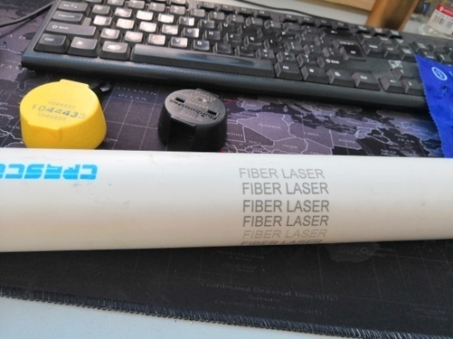
Materials and picture | Testing machine | Power | Speed | Frequency | Line distance | Angle | Aim | Others
White PVC pipe | 20W-50W | 80% | 1500mm/s | 60KHZ | 0.07 | 90° | Black Entity Character

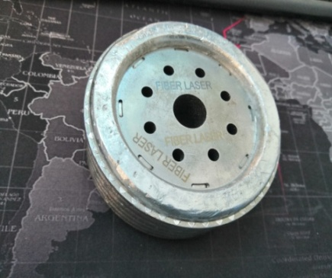
Ingot auto parts | 20W-50W | 80% | 700mm/s | 20KHZ | 0.05 | 90° | Grey font | 7.5mm Up Distance of thefocal length 100mm/s speed，99% power, filling pattern 0.02 for Black font

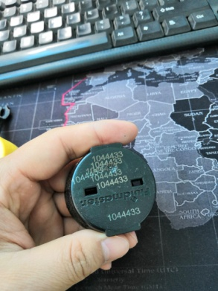
Black PVC lid | 20W-50W | 10% | 700mm/s | 20KHZ | 0.07 | 90° | Entity character white

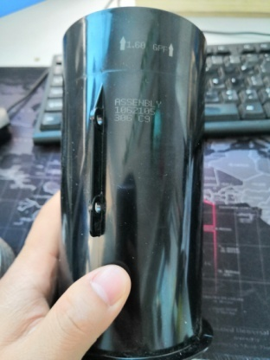
Black PE/PVC Cylinder | 20W-50W | 10% | 1200mm/s | 20KHZ | 0.06 | 90° | Dot-matrix fonts are typed in white and grey | The filling pattern has the same effect parameters and the power needs to be increased to 15%.

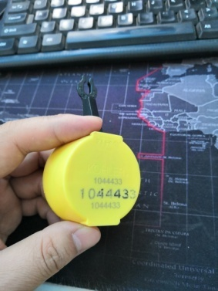
Yellow PVC lid | 20W-50W | 80% | 1500mm/s | 20KHZ | 0.06 | 90° | Black-grey solid characters | Beat three times, with slight debris

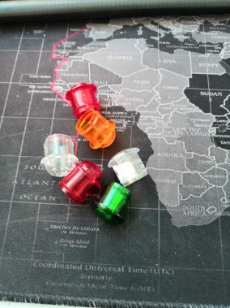
Transparent plastic cover | 3W UV 200*200mm | 80% | 200mm/s | 20KHZ | Single line font |  | White Entity Character | Slow down in blue.100mm/s

